LV7_TrueError
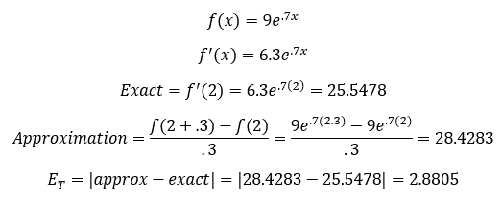
Done using LaTex on MS Word

LV8_TrueRelError
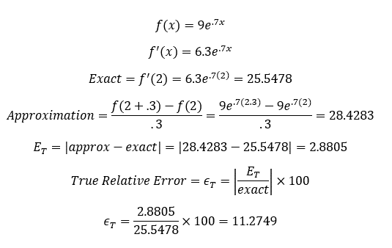
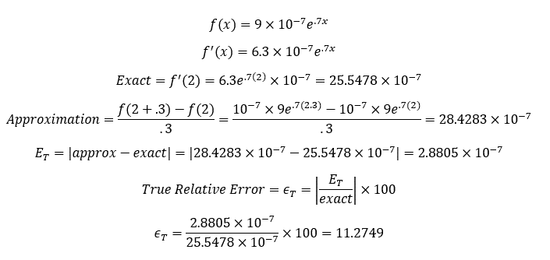
Part a | (completed using LaTex in MS Word) | Part b | (completed using LaTex in MS Word)

LV8_AprxError
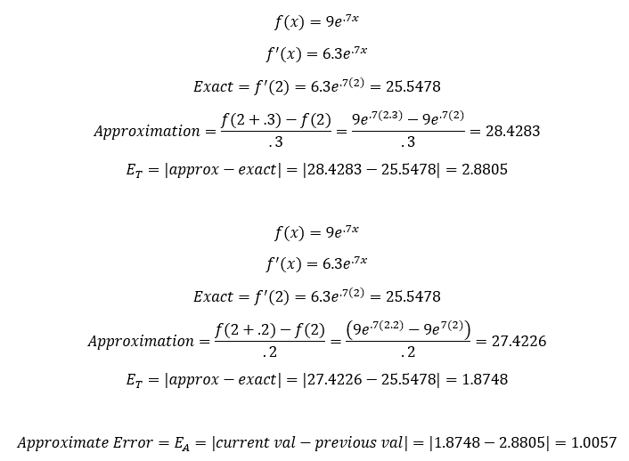
(completed using LaTex in MS Word)

LV10_11_SecxMcL
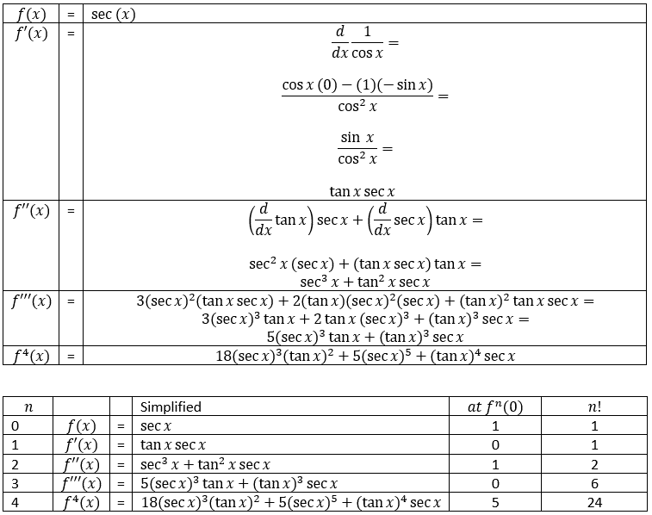
(Done in MS Word using LaTex)
 | MacLaurin Series

 | *note, 20 degrees is π/9 radians which = 0.349066

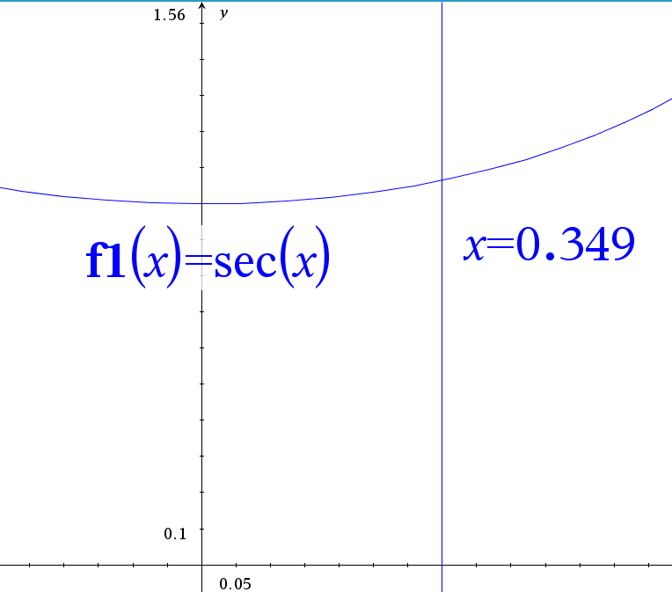
 | n (term) | f^n(0) / n! | x^n | Term Value * x^n
 | 0 | 1 | 1 | 1
 | 1 | 0 | 0.3490658504 | 0
 | 2 | 0.5 | 0.12184696791 | 0.060923483957
 | 3 | 0 | 0.042532615474 | 0
 |  |  | Sum: | 1.060923484

 | Approximate Value (sec (20 deg)): |  |  | 1.060923484

 | Actual Value (sec (20 deg)): |  |  | 1.0641778304

 | Because a=0, our z value is between 0 and (π/9) 0 ≤ z ≤ (π/9) Using the image on the right we can see that the graph of sec (x) is increasing on the interval, therefore the largest z value for sec (x) will be (π/9)

 | n (term) | f^n(0) / n! | x^n | Term Value * x^n
 | 4 | 0.3286943065 | 0.01484668359 | 0.0048800203665

 | Exact | Approx. | E_T (Ex-Aprox)
Note: Code used for 4th derivative of f(x) at (π/9) in cell N26 | 1.0641778304 | 1.060923484 | 0.0032543464634
((18*(SEC(0.349066))^3*(TAN(0.349066))^3)+(5*(SEC(0.349066))^5)+((TAN(0.349066))^4*(SEC(0.349066))))/24
 | As expected, E_T < R_3

LV12_Uncertainty
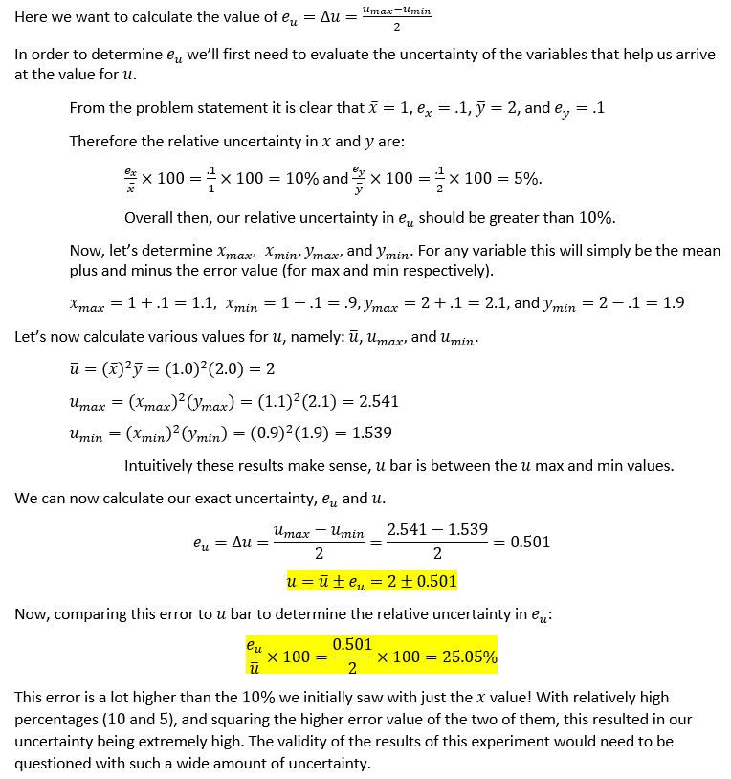

LV13_PartDervUncert
